Symmetrical_TwoCell
بسم الله الرحمن الرحيم
Redundant |  |  | Moment at Station 1 |  |  | Moment at Station 2 |  |  | Force in z-direction located at d from c.g. |  |  |  |  |  | Force in x-direction located at c from c.g. |  |  | Force in y-direction
A1(in^2) | 0.5 |  | Mx 1 | 0 |  | Mx 2 | 50000 |  | Pz | 5000 |  | L | 10 |  | Px | 0 |  | Paxial | 0
A2(in^2) | 1 |  | Mz 1 | 0 |  | Mz 2 | 0 |  | d | 4.4675376631 |  | t | 0.04 |  | c | 0 |  | ∆y | 10
 |  |  | Ty 1 | 0 |  | Ty 2 | 0
 |  |  |  | Vertical Web Length |  | Horizontal Web Length
E | 10700000 | Fcy | 40000 | a | 10 | b1 | 10 | b2 | 10 | b3 | 10
w | 1.2430124698 | Eff | Yes
Set up a table to determine section Properties and determine stringer load P at each station
Station 1 (y = 0)
 |  | Origin located at 5 |  |  |  |  |  |  |  |  |  |  |  | For redundant stringers, set A_boom and A_eff =0
Stringer No. | Area(in^2) | x | z | A*x | A*z | X | Z | A*X^2 | A*Z^2 | A*X*Z | Stress | P | Paxial | A_boom | Comp/Ten | No. Sides | A_eff | a | b1 | b2 | b3
1 | 0.54972049879 | 20 | 10 | 10.994409976 | 5.4972049879 | 11.967537663 | 5.7714438118 | 78.732046034 | 18.310949957 | 37.969179013 | 0 | 0 | 0 | 0.5 | C | 2 | 0.049720498791 | 0 | 0 | 0 | 0
2 | 0.76666666667 | 20 | 0 | 15.333333333 | 0 | 11.967537663 | -4.2285561882 | 109.80350092 | 13.708527035 | -38.797477506 | 0 | 0 | 0 | 0.5 | T | 0 | 0.26666666667 | 1 | 0 | 1 | 0
3 | 0.9 | 10 | 0 | 9 | 0 | 1.9675376631 | -4.2285561882 | 3.4840840102 | 16.092618693 | -7.4878592048 | 0 | 0 | 0 | 0.5 | T | 0 | 0.4 | 0 | 1 | 1 | 0
4 | 1.2666666667 | 0 | 0 | 0 | 0 | -8.0324623369 | -4.2285561882 | 81.725904845 | 22.648870753 | 43.023243207 | 0 | 0 | 0 | 1 | T | 0 | 0.26666666667 | 1 | 1 | 0 | 0
5 | 1.0497204988 | 0 | 10 | 0 | 10.497204988 | -8.0324623369 | 5.7714438118 | 67.728440209 | 34.965731793 | -48.66389293 | 0 | 0 | 0 | 1 | C | 2 | 0.049720498791 | 0 | 0 | 0 | 0
6 | 0.54972049879 | 10 | 10 | 5.4972049879 | 5.4972049879 | 1.9675376631 | 5.7714438118 | 2.1280804443 | 18.310949957 | 6.2423693034 | 0 | 0 | 0 | 0.5 | C | 2 | 0.049720498791 | 0 | 0 | 0 | 0
7 | 0 | 0 | 0 | 0 | 0 | -8.0324623369 | -4.2285561882 | 0 | 0 | 0 | 0 | 0 | 0 | 0 | C | Input | 0 | 0 | 0 | 0 | 0
8 | 0 | 0 | 0 | 0 | 0 | -8.0324623369 | -4.2285561882 | 0 | 0 | 0 | 0 | 0 | 0 | 0 | C | Input | 0 | 0 | 0 | 0 | 0
 | ∑A |  |  | ∑Ax | ∑Az |  |  | Iz | Ix | Ixz |  | ∑P
 | 5.0824948297 |  |  | 40.824948297 | 21.491614964 |  |  | 343.60205646 | 124.03764819 | -7.7144381178 |  | 0
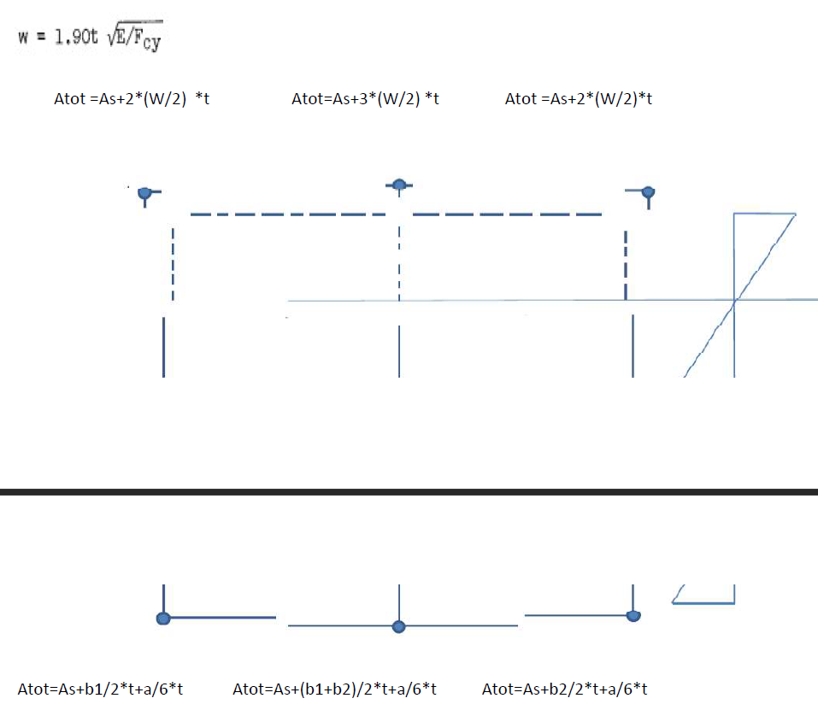
Location of c.g.: |  |  |  |  |  |  |  | Kxz | Kz | Kx
X_bar | 8.0324623369 |  |  |  |  |  |  | -0.00018125996005 | 0.0080733417102 | 0.002914413054
Z_bar | 4.2285561882 |  |  |  |  |  |  | B1 | B2
 |  |  |  |  |  |  |  | 0 | 0
Station 2 (y = 10)
 |  | Origin located at 5
Stringer No. | Area(in^2) | x | z | A*x | A*z | X | Z | A*X^2 | A*Z^2 | A*X*Z | Stress | P | Paxial | A_boom | Comp/Ten | No. Sides | A_eff | a | b1 | b2 | b3
1 | 0.54972049879 | 20 | 10 | 10.994409976 | 5.4972049879 | 11.967537663 | 5.7714438118 | 78.732046034 | 18.310949957 | 37.969179013 | -2438.2036726 | -1340.3305391 | 0 | 0.5 | C | 2 | 0.049720498791 | 0 | 0 | 0 | 0
2 | 0.76666666667 | 20 | 0 | 15.333333333 | 0 | 11.967537663 | -4.2285561882 | 109.80350092 | 13.708527035 | -38.797477506 | 1598.4671825 | 1225.4915066 | 0 | 0.5 | T | 0 | 0.26666666667 | 1 | 0 | 1 | 0
3 | 0.9 | 10 | 0 | 9 | 0 | 1.9675376631 | -4.2285561882 | 3.4840840102 | 16.092618693 | -7.4878592048 | 1689.0971625 | 1520.1874462 | 0 | 0.5 | T | 0 | 0.4 | 0 | 1 | 1 | 0
4 | 1.2666666667 | 0 | 0 | 0 | 0 | -8.0324623369 | -4.2285561882 | 81.725904845 | 22.648870753 | 43.023243207 | 1779.7271425 | 2254.3210472 | 0 | 1 | T | 0 | 0.26666666667 | 1 | 1 | 0 | 0
5 | 1.0497204988 | 0 | 10 | 0 | 10.497204988 | -8.0324623369 | 5.7714438118 | 67.728440209 | 34.965731793 | -48.66389293 | -2256.9437126 | -2369.1600797 | 0 | 1 | C | 2 | 0.049720498791 | 0 | 0 | 0 | 0
6 | 0.54972049879 | 10 | 10 | 5.4972049879 | 5.4972049879 | 1.9675376631 | 5.7714438118 | 2.1280804443 | 18.310949957 | 6.2423693034 | -2347.5736926 | -1290.5093812 | 0 | 0.5 | C | 2 | 0.049720498791 | 0 | 0 | 0 | 0
7 | 0 | 0 | 0 | 0 | 0 | -8.0324623369 | -4.2285561882 | 0 | 0 | 0 | 0 | 0 | 0 | 0 | C | Input | 0 | 0 | 0 | 0 | 0
8 | 0 | 0 | 0 | 0 | 0 | -8.0324623369 | -4.2285561882 | 0 | 0 | 0 | 0 | 0 | 0 | 0 | C | Input | 0 | 0 | 0 | 0 | 0
 | ∑A |  |  | ∑Ax | ∑Az |  |  | Iz | Ix | Ixz |  | ∑P
 | 5.0824948297 |  |  | 40.824948297 | 21.491614964 |  |  | 343.60205646 | 124.03764819 | -7.7144381178 |  | 0

Location of c.g.: |  |  |  |  |  |  |  | Kxz | Kz | Kx
X_bar | 8.0324623369 |  |  |  |  |  |  | -0.00018125996005 | 0.0080733417102 | 0.002914413054
Z_bar | 4.2285561882 |  |  |  |  |  |  | B1 | B2
 |  |  |  |  |  |  |  | 9.0629980025 | 403.66708551
Shear Calculations
 |  |  | P2-P1
Stringer No. | P(y = 0) | P(y = 10) | ∆P | ∆q
1 | 0 | -1340.3305391 | -1340.3305391 | -134.03305391
2 | 0 | 1225.4915066 | 1225.4915066 | 122.54915066
3 | 0 | 1520.1874462 | 1520.1874462 | 152.01874462
4 | 0 | 2254.3210472 | 2254.3210472 | 225.43210472
5 | 0 | -2369.1600797 | -2369.1600797 | -236.91600797
6 | 0 | -1290.5093812 | -1290.5093812 | -129.05093812
7 | 0 | 0 | 0 | 0
8 | 0 | 0 | 0 | 0

Skin 2-1 and 4-7 are temporarily cut, then shear flow in those web should be zero.
Assuming counter-clockwise for the shear flow with 4-7 in the dirction of cell 2
Moment at
x | z
0 | 0
Pz*d | Px*c | T_external | ∑Mc_open
22337.688316 | 0 | 0 | 26260.794716

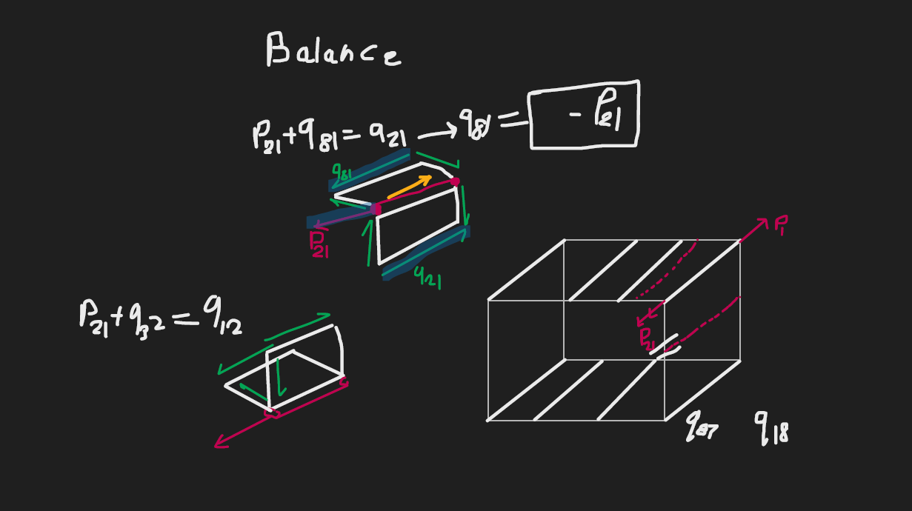
 |  |  |  |  | x position |  |  |  |  | z position
Web No. | Web Cut | Cell | qc(lbs/in) | Point 1 | Point 2 | Point 3 | dx | Vx | Point 1 | Point 2 | Point 3 | dz | Vz |  | A | 2A | Mc=qc*2A |  | q_tot | Fx | Fz
Initial-Final |  |  |  | Ref | Final | Initial |  |  | Ref | Final | Initial
2-1 |  |  | -134.03305391 | 0 | 11.967537663 | 11.967537663 | 0 | 0 | 0 | 5.7714438118 | -4.2285561882 | 10 | -1340.3305391 |  | 59.837688316 | 119.67537663 | -16040.456207 |  | -255.52926148 | 0 | -2555.2926148
3-2 |  |  | -11.48390325 | 0 | 11.967537663 | 1.9675376631 | 10 | -114.8390325 | 0 | -4.2285561882 | -4.2285561882 | 0 | 0 |  | 21.142780941 | 42.285561882 | -485.60330154 |  | -132.98011083 | -1329.8011083 | 0
4-3 |  |  | 140.53484137 | 0 | 1.9675376631 | -8.0324623369 | 10 | 1405.3484137 | 0 | -4.2285561882 | -4.2285561882 | 0 | 0 |  | 21.142780941 | 42.285561882 | 5942.5947315 |  | 19.038633796 | 190.38633796 | 0
5-4 |  |  | 365.96694609 | 0 | -8.0324623369 | -8.0324623369 | 0 | 0 | 0 | -4.2285561882 | 5.7714438118 | -10 | -3659.6694609 |  | 40.162311684 | 80.324623369 | 29396.15711 |  | 244.47073852 | 0 | -2444.7073852
6-5 |  |  | 129.05093812 | 0 | -8.0324623369 | 1.9675376631 | -10 | -1290.5093812 | 0 | 5.7714438118 | 5.7714438118 | 0 | 0 |  | 28.857219059 | 57.714438118 | 7448.1023824 |  | 7.5547305461 | -75.547305461 | 0
7-6 |  | None | 0 | 0 | 1.9675376631 | -8.0324623369 | 10 | 0 | 0 | 5.7714438118 | -4.2285561882 | 10 | 0 |  | 0 | 0 | 0 |  | 0 | 0 | 0
8-7 |  | None | 0 | 0 | -8.0324623369 | -8.0324623369 | 0 | 0 | 0 | -4.2285561882 | -4.2285561882 | 0 | 0 |  | 0 | 0 | 0 |  | 0 | 0 | 0
1-6 | Cut |  | 0 | 0 | 1.9675376631 | 11.967537663 | -10 | 0 | 0 | 5.7714438118 | 5.7714438118 | 0 | 0 |  | 28.857219059 | 57.714438118 | 0 |  | -121.49620758 | 1214.9620758 | 0
4-7 |  | None | 0 | 0 | -8.0324623369 | -8.0324623369 | 0 | 0 | 0 | -4.2285561882 | -4.2285561882 | 0 | 0 |  | 0 | 0 | 0 |  | 0 | 0 | 0
 |  |  |  |  |  |  |  | 0 |  |  |  |  | -5000 |  | ∑A | ∑2A | ∑Mc |  |  | ∑ Fx | ∑ Fz
 |  |  |  |  |  |  |  | Balance |  |  |  |  | Balance |  | 200 | 400 | 26260.794716 |  |  | 0 | -5000
 |  |  |  |  |  |  |  |  |  |  |  |  |  |  | Tourque Balance Equation Coefficients |  |  |  |  | Balance | Balance
 |  |  |  |  |  |  |  |  |  |  |  |  |  |  | coef q_cor | free term | q_cor
 |  |  |  |  |  |  |  |  |  |  |  |  |  |  | 400 | -48598.483031 | -121.49620758

